Spring Boot POC
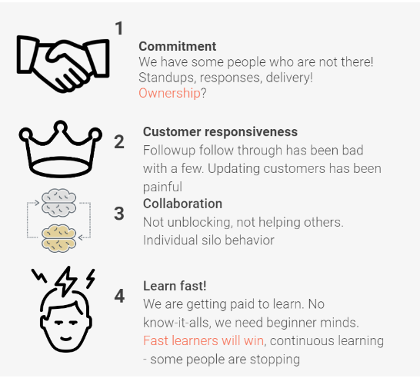
S.No. | Tasks | No. of Days | Start Date | End Date | Status | Doc link
1 | Design | 1.5 Days | 2023-05-03 |  |  |  | Culture of Zemoso | 3CL
1.1 | Design - Best Practices |  | 2023-05-03 | 2023-05-03 | In Progress | DB&API Design - Notes
 |  |  |  |  |  | Web API design best practices - Azure Architecture Center | Microsoft Learn
1.2 | Micrservices vs Monolithic |  | 2023-05-03 | 2023-05-03 | In Progress | Microservices vs. monolithic architecture | Atlassian
1.3 | DB Design in SQL DBM |  | 2023-05-03 | 2023-05-03 | In Progress | https://miro.com/app/board/uXjVPS4qpqY=/
1.4 | Internal Review |  | 2023-05-03 | 2023-05-03 | Not Started
1.5 | API Design in Swagger Editor |  | 2023-05-03 | 2023-05-04 | In Progress | https://miro.com/app/board/uXjVPS4qpqY=/
1.6 | Internal Review |  | 2023-05-04 | 2023-05-04 | Not Started |  | Guidelines | https://docs.google.com/document/d/1xiMb-b1PIWkmvCuywR6fkkBJHXdgT7qEPof8_BYnDu4/edit
1.7 | Git Branching and Guidelines |  | 2023-05-04 | 2023-05-04 | Not Started | Git Branching Session
 |  |  |  |  |  | Git Guidelines | Softwares Needed | JDK, IntelliJ (Sonar lint plugin), MySQL Server, MySQL Workbench, Postman, Git
2 | Project Scaffolding | 0.5 Day | 2023-05-04 | 2023-05-04 | Not Started | Spring Initializr | Best Practices | DTOs, Lambok, Slf4j logger, Custom exceptions
2.1 | Sonar Cloud Integration |  | 2023-05-04 | 2023-05-04 | Not Started | Sonar Cloud Integration | Guidelines: | 1. Mentor connect on a daily basis in mandatory 2. All the code have to be reviewed only through PRs 3. Keep updating the details below 4. Sonar report has to be fixed after every commit if there are any code quality issues
 |  |  |  |  |  | Github-Actions_workflow_Documentation
2.2 | Internal Review |  | 2023-05-04 | 2023-05-04 | Not Started
2.3 | DB Setup |  | 2023-05-04 | 2023-05-04 | Not Started | Setup the DB as per the DB Design
3 | Implementation | 2 Days | 2023-05-05 | 2023-05-05 | Not Started |  | Mentor
3.1 | Entities & DTOs |  | 2023-05-05 | 2023-05-05 | Not Started | Entity To DTO Conversion for a Spring REST API | Baeldung | Jira | https://zemoso.atlassian.net/browse/LAT-247
3.2 | Hibernate Mappings |  | 2023-05-05 | 2023-05-05 | Not Started |  | Repo
3.3 | JPA Repository |  | 2023-05-05 | 2023-05-05 | Not Started |  | Figma | https://www.figma.com/file/YnrJYr7uKzClRLBgfEwTg5/Checkr-Golden-Path-(Bootcamp)?node-id=1302%3A19097&t=MdD4NKZkr4s2UpZK-0
3.4 | End points implementation |  | 2023-05-05 | 2023-05-08 | Not Started |  | Loom | https://www.loom.com/share/e04f3e66ac344dcd8666fe477857f4b2
3.5 | Global Excpetion Handler & Custom Exceptions |  | 2023-05-08 | 2023-05-08 | Not Started |  | DB Design
3.6 | Internal Review |  | 2023-05-08 | 2023-05-08 | Not Started |  | API Design
4 | Unit Testing | 1 Day | 2023-05-09 | 2023-05-09 | Not Started |  | Sonar Report
4.1 | Best Practices |  | 2023-05-09 | 2023-05-09 | Not Started | Unit Test Naming Conventions | Mentor Feedback after demo
4.2 | Junit & Mockito (Coverage = 100%) |  | 2023-05-09 | 2023-05-09 | Not Started
4.3 | Internal Review |  | 2023-05-09 | 2023-05-09 | Not Started
5 | Final Demo (In Postman) |  | 2023-05-09 | 2023-05-09 | Not Started

React
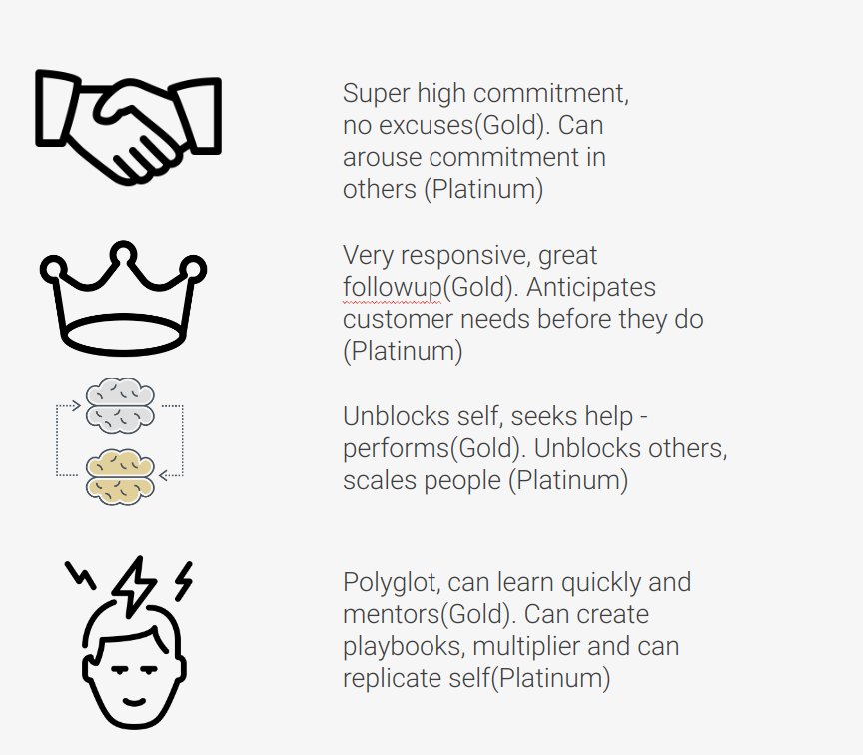
 |  |  |  |  |  |  | 3CL | Culture of Zemoso
 |  |  | Problem Statement | Checkr | Figma | https://www.figma.com/file/YnrJYr7uKzClRLBgfEwTg5/Checkr-Golden-Path-(Bootcamp)?node-id=1302%3A19097&t=MdD4NKZkr4s2UpZK-0
 |  |  |  |  | Loom | https://www.loom.com/share/e04f3e66ac344dcd8666fe477857f4b2
 |  |  |  |  | Scope | Pre Adverse Action

S.No. | Tasks | Days | Start Date | End Date | Status | Doc link
1 | Course - JavaScript | 2 Days | 2023-06-13
 | JavaScript - Basics | Day 1 | 2023-06-13 | 2023-06-13 | Completed | https://developer.mozilla.org/en-US/docs/Web/JavaScript/A_re-introduction_to_JavaScript https://github.com/airbnb/javascript
 | Callback functions and assignment | Day 1 | 2023-06-13 | 2023-06-13 | Completed | https://developer.mozilla.org/en-US/docs/Web/JavaScript/Reference/Functions https://docs.google.com/document/d/1APUyGY5XIod0GKFNE3pBXH0sex_K99Ovgod2AAEDw8w/edit
 | Custom Object and Closures | Day 1 | 2023-06-13 | 2023-06-13 | Completed | https://developer.mozilla.org/en-US/docs/Web/JavaScript/Guide/Working_with_Objects https://developer.mozilla.org/en-US/docs/Web/JavaScript/Closures
 | Manipulating DOM | Day 1 | 2023-06-13 | 2023-06-13 | Completed | https://developer.mozilla.org/en-US/docs/Learn/JavaScript/Client-side_web_APIs/Manipulating_documents
 | Using Chrome Dev Tools and Quiz | Day 1 | 2023-06-13 | 2023-06-13 | Completed | https://www.youtube.com/watch?v=x4q86IjJFag https://docs.google.com/forms/d/e/1FAIpQLSdU5SF0zUzwVJ8Rv8aIxdiLASisS1v0WPDLI9H0ee5vgftLfw/viewform
 | Promises, async-await and assignment | Day 2 | 2023-06-14 | 2023-06-14 | Completed | https://javascript.info/async https://docs.google.com/document/d/1U7UE1LoLeAKmklTgiLPBfDN-W87v-59RPkPXlP7H6bg/edit | Guidelines | LDP Learning Guidelines and Check List
 | Debouncing & Throttling and assignment | Day 2 | 2023-06-14 | 2023-06-14 | Completed | https://medium.com/nerd-for-tech/debouncing-throttling-in-javascript-d36ace200cea https://docs.google.com/document/d/1KAQyeFgieAyJXHpW7J9Yd55unkZto9RRH8hY2N9QeDo/edit | Why Storybook? | Why You Should Always Use Storybook
 | ES6 Syntax and Assignment | Day 2 | 2023-06-14 | 2023-06-14 | Completed | https://codeburst.io/es6-tutorial-for-beginners-5f3c4e7960be https://docs.google.com/document/d/1F_8dnfkb73V159llkwJdjGPjrBvQTKQWOwD3L90zqTM/edit | How to setup theming? | https://www.loom.com/share/7ce20d240670487f8e110da75808d672
 | Storage and Assignment | Day 2 | 2023-06-14 | 2023-06-14 | Completed | https://developer.mozilla.org/en-US/docs/Web/API/Storage https://developer.mozilla.org/en-US/docs/Web/API/Document/cookie https://docs.google.com/document/d/1olJgmw3WCzmjZagjDsTNnS1CfNdXWVJY6CXIKvNv5uE/edit | Sonar integration for FE in the same repo | https://www.loom.com/share/c6ecc090d1f7456a9563283c46765ef3
 | JS Refresher - Udemy Sec 2 | Day 2 | 2023-06-14 | 2023-06-14 | Completed | The Complete Course (incl. React Router 4 & Redux) | Udemy
2 | Course React | 12 Days | 2023-06-15 |  |  |  | Mentor | Abhishek Bheemisetty
 | What and Why Typescript | Day 1 | 2023-06-15 | 2023-06-15 | Completed | https://www.typescriptlang.org/docs/handbook/typescript-in-5-minutes.html | Jira | https://zemoso.atlassian.net/browse/LAT-296
 | Components & Props - Udemy Sec 3 | Day 1 | 2023-06-15 | 2023-06-15 | Completed | https://reactjs.org/ https://reactjs.org/docs/static-type-checking.html#using-typescript-with-create-react-app https://reactjs.org/docs/components-and-props.html | Repo
 | Class vs Functional Components | Day 1 | 2023-06-15 | 2023-06-15 | Completed | https://www.twilio.com/blog/react-choose-functional-components | Atomic Design
 | Child and Parent Components | Day 1 | 2023-06-15 | 2023-06-15 | Completed | https://docs.google.com/document/d/1rXoS9r6SBHBhgKwXRUHWQtlWERFuI-6N5jmAzni55vk/edit | Sonar Report
 | State & Events - Udemy Sec 4 | Day 2 | 2023-06-16 | 2023-06-16 | Completed |  | Mentor Feedback
 | React -Basic Inbuilt hooks (useEffect, useState, useContext) and Advanced - inbuilt hooks (useMemo, useCallback etc) and Custom Hooks | Day 2 | 2023-06-16 | 2023-06-16 | Completed | https://reactjs.org/docs/hooks-intro.html https://www.youtube.com/watch?v=O6P86uwfdR0 https://www.youtube.com/watch?v=QFaFIcGhPoM https://docs.google.com/document/d/1d5qjQXwu1Hni6El2EV3DC4AAjkijm06upfuY-NB6zKw/edit
 | Conditional rendering - Udemy Sec 5 | Day 2 | 2023-06-16 | 2023-06-16 | Completed
 | Event and Form Management | Day 3 | 2023-06-19 | 2023-06-19 | Completed | Handling Events – React https://docs.google.com/document/d/1WONHnOwUUg-TcnkUDgERj8pjrcce2Adj69eTmybBYhU/edit
 | Typescript - Udemy Sec 27 | Day 3 | 2023-06-19 | 2023-06-19 | Completed
 | Code Walk through - Sample React Application with Best Practices | Day 3 | 2023-06-19 | 2023-06-19 | Completed | https://drive.google.com/file/d/1nuyAhJxxrfizS7cb6V5ASSrmWyojLbe_/view https://github.com/mohammed-atif/reminder-atomic-app-demo https://docs.google.com/document/d/1WAGndAtA7v080cdycACa0MhFNGFLrvrLFA0QUl1QGcc/edit?usp=drive_web&authuser=0
 | Atomic Design - Organising Components | Day 4 | 2023-06-20 | 2023-06-20 | Completed | https://drive.google.com/file/d/14NmsDvBWys6sP7jtNDNyY7vWiLH1sw0F/view?usp=drive_web&authuser=0 https://docs.google.com/presentation/d/18df9XTg337NeepOXl79lVaafMl_8H0EV9PGKM4VRvV0/edit?usp=drive_web&authuser=0
 | Assignment - Do the Atomic Design for the given problem statement | Day 4 | 2023-06-20 | 2023-06-20 | Completed | https://docs.google.com/spreadsheets/u/0/d/1W0rTGKdxAEX3AU1gANJS5BIDYSugrICzTe5-cWgcgrc/edit?usp=drive_web
 | Start with the development of the given Problem Statement in Typescript |  |  |  | Completed
 | Project Scaffolding -Webpack Best Practices - Storybook, Material UI, Theming, Sonar report | Day 5 | 2023-06-21 | 2023-06-21 | Completed | https://blog.bitsrc.io/why-learning-webpack-is-important-as-front-end-developer-247bc0ca40bd https://www.robinwieruch.de/javascript-project-setup-tutorial (Go through Part 1, 2 and 3 of Frontend Setup Series)
 | Add Linter and Formatter | Day 5 | 2023-06-21 | 2023-06-21 | Completed | https://docs.google.com/document/d/1uCyXBkCFPrlHV6e-w8s2lqSvj6XLWkAnJf7iPdaFPo0/edit
 | Sonar Cloud Integration ( 0 code quality issues and 100% coverage) | Day 5 | 2023-06-21 | 2023-06-21 | Completed | https://docs.google.com/document/d/1GqW29h9nkyp1w3f4T51OhDCtshkSGAqmA-_gXw-bUNk/edit
 | Storybook Setup | Day 5 | 2023-06-21 | 2023-06-21 | Completed | https://storybook.js.org/docs/react/get-started/introduction https://levelup.gitconnected.com/why-you-should-always-use-storybook-when-developing-user-interfaces-4c69b93b2f65 https://sb-blinklist-clone-yaswanth.netlify.app/?path=/story/atoms-inputfield--default&args=placeholder
 | Material UI | Day 6 | 2023-06-22 | 2023-06-22 | Completed | https://material-ui.com/components/buttons/ https://material-ui.com/components/links/
 | Theming Setup | Day 6 | 2023-06-22 | 2023-06-22 | Completed | https://material-ui.com/customization/theming/ https://docs.google.com/document/d/10_q8_5FzyNU7dQOk6Plw81e4Tumz7fazJt0tpgpVv6A/edit?usp=drive_web&authuser=0 https://mui.com/customization/typography/ https://www.loom.com/share/7ce20d240670487f8e110da75808d672
 | Development of components with Atomic Design and Storybook | Day 6 - 8 | 2023-06-22 | 2023-06-26 | Completed | https://storybook.js.org/docs/react/essentials/actions https://storybook.js.org/docs/react/essentials/controls
 | Mock Server Setup | Day 9 | 2023-06-27 | 2023-06-27 | Completed | https://github.com/typicode/json-server/blob/master/README.md
 | Axios (API Handling) | Day 9 | 2023-06-27 | 2023-06-27 | Completed | https://www.digitalocean.com/community/tutorials/react-axios-react https://reactjs.org/docs/faq-ajax.html https://developer.mozilla.org/en-US/docs/Web/JavaScript/Reference/Global_Objects/Promise
 | React Router - Udemy Sec 20 | Day 9 | 2023-06-27 | 2023-06-27 | Completed | https://reactrouter.com/web/guides/quick-start
 | Pages development | Day 10 - 11 | 2023-06-28 | 2023-06-29 | Completed | Fetch the data from mock server using API calls
 | State Management (in the application) | Day 11 | 2023-06-29 | 2023-06-29 | Completed
 | Unit testing - Udemy Sec 26 (Coverage = 100%) | Day 12 | 2023-06-30 | 2023-06-30 | Completed | https://testing-library.com/docs/react-testing-library/intro/ https://www.robinwieruch.de/react-testing-library/
 | Redux - Udemy Sec 25 | Day 12 | 2023-06-30 | 2023-06-30 | Completed | https://redux.js.org/introduction/getting-started https://egghead.io/courses/fundamentals-of-redux-course-from-dan-abramov-bd5cc867

